Guide
Domestic demand and supply in Home (the importing country).
Excess demand and supply (the world market).
Domestic demand and supply in Foreign (the exporting country).

Parameters of Home's domestic supply.
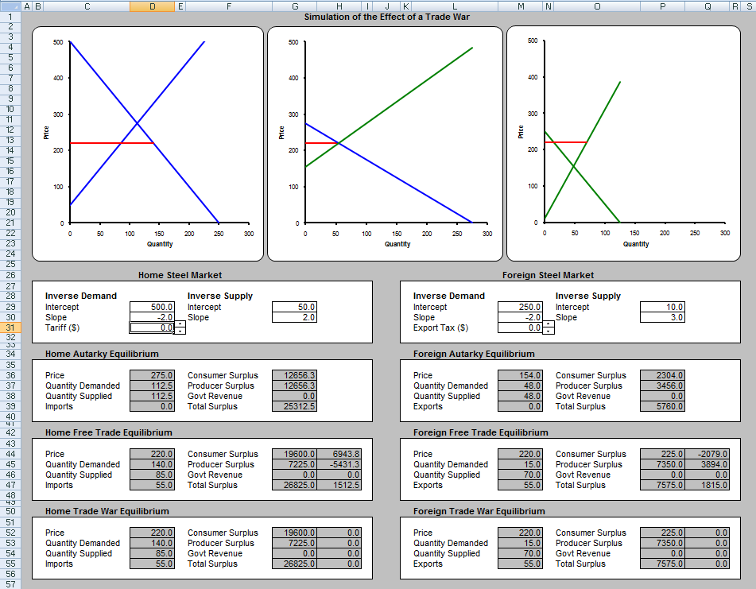
Parameters of Foreign's domestic demand.

Parameters of Home's domestic demand.
Export tax level in Foreign (use the spinner to control).

Tariff level in Home (use the spinner to control).
Parameters of Foreign's domestic supply.

Equilibrium prices and quantities in Home in autarky.
Equilibrium prices and quantities in Foreign in autarky.

Equilibrium prices and quantities in Home with free trade.
Equilibrium prices and quantities in Foreign with free trade.

Equilibrium prices and quantities in Home with the tariff in place.
Equilibrium prices and quantities in Foreign with the export tax in place.

Welfare levels for Home in autarky.
Difference in surplus for Home relative to free trade (gain/loss from intervention).
Welfare levels for Foreign (same as for Home).

Welfare levels for Home with free trade.
Welfare levels for Home with tariff in place.

Difference in surplus for Home relative to autarky (gains from trade).

Model
 |  |  |  |  |  | Simulation of the Effect of a Trade War
 | Domestic Demand |  | Domestic Supply |  | Free Trade Price |  | Trade War Price
250 | 0.00 | 250 | 550 | 0.00 | 220.00 | 0.00 | 220.00
0 | 500.00 | 0 | 50 | 140.00 | 220.00 | 140.00 | 220.00
 | Free Trade Price |  | Trade War Price |  | Excess Demand |  | Excess Supply
0.00 | 220.00 | 0.00 | 220.00 | 275 | 0 | 275 | 484
55.00 | 220.00 | 55.00 | 220.00 | 0 | 275 | 0 | 154
 |  | 55.00 | 220.00
 |  | 0.00 | 220.00
 | Domestic Demand |  | Domestic Supply |  | Free Trade Price |  | Trade War Price
125 | 0.00 | 125 | 385 | 0.00 | 220.00 | 0.00 | 220.00
0 | 250.00 | 0 | 10 | 70.00 | 220.00 | 70.00 | 220.00

 |  | Home Steel Market |  |  |  |  |  |  | Foreign Steel Market

Inverse Demand |  |  | Inverse Supply |  |  |  | Inverse Demand |  |  | Inverse Supply
Intercept | 500.0 |  | Intercept | 50.0 |  |  | Intercept | 250.0 |  | Intercept | 10.0
Slope | -2.0 |  | Slope | 2.0 |  |  | Slope | -2.0 |  | Slope | 3.0
Tariff ($) | 0.0 | 5000.0 |  |  |  |  | Export Tax ($) | 0.0 | 5000.0

Home Autarky Equilibrium |  |  |  |  |  |  | Foreign Autarky Equilibrium

Price | 275.0 |  | Consumer Surplus | 12656.3 |  |  | Price | 154.0 |  | Consumer Surplus | 2304.0
Quantity Demanded | 112.5 |  | Producer Surplus | 12656.3 |  |  | Quantity Demanded | 48.0 |  | Producer Surplus | 3456.0
Quantity Supplied | 112.5 |  | Govt Revenue | 0.0 |  |  | Quantity Supplied | 48.0 |  | Govt Revenue | 0.0
Imports | 0.0 |  | Total Surplus | 25312.5 |  |  | Exports | 0.0 |  | Total Surplus | 5760.0

Home Free Trade Equilibrium |  |  |  |  |  |  | Foreign Free Trade Equilibrium

Price | 220.0 |  | Consumer Surplus | 19600.0 | 6943.8 |  | Price | 220.0 |  | Consumer Surplus | 225.0 | -2079.0
Quantity Demanded | 140.0 |  | Producer Surplus | 7225.0 | -5431.2 |  | Quantity Demanded | 15.0 |  | Producer Surplus | 7350.0 | 3894.0
Quantity Supplied | 85.0 |  | Govt Revenue | 0.0 | 0.0 |  | Quantity Supplied | 70.0 |  | Govt Revenue | 0.0 | 0.0
Imports | 55.0 |  | Total Surplus | 26825.0 | 1512.5 |  | Exports | 55.0 |  | Total Surplus | 7575.0 | 1815.0

Home Trade War Equilibrium |  |  |  |  |  |  | Foreign Trade War Equilibrium

Price | 220.0 |  | Consumer Surplus | 19600.0 | 0.0 |  | Price | 220.0 |  | Consumer Surplus | 225.0 | 0.0
Quantity Demanded | 140.0 |  | Producer Surplus | 7225.0 | 0.0 |  | Quantity Demanded | 15.0 |  | Producer Surplus | 7350.0 | 0.0
Quantity Supplied | 85.0 |  | Govt Revenue | 0.0 | 0.0 |  | Quantity Supplied | 70.0 |  | Govt Revenue | 0.0 | 0.0
Imports | 55.0 |  | Total Surplus | 26825.0 | 0.0 |  | Exports | 55.0 |  | Total Surplus | 7575.0 | 0.0

